Feuil1
Pics | Products | Pcs/Display | Display's/Carton | Pcs/Carton | Stock (Pcs) | EXP. DATE | Text
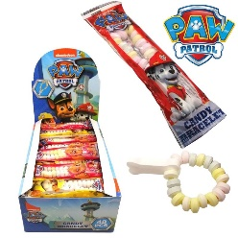 | Paw Patrol Candy Bracelet 12Gr | 48 | 12 | 576 | 48384 | 2022-11-25 | English,French, Dutch, German,Swedish
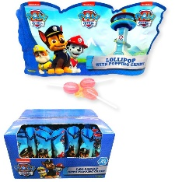 | Paw Patrol 3Pcs Lollipop With Popping candy 3x10 Gr | N/A | N/A | 50 | 7500 | 2022-03-19 | English,French, Dutch, German,Swedish
 | Hot Wheels 3Pcs Lollipop With Popping candy 3x10 Gr | N/A | N/A | 50 | 10000 | 2022-03-19 | English,French, Dutch, German,Swedish
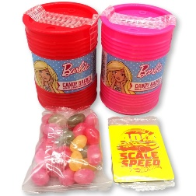 | Barbie MoneyBox With Jelly Beans (28gr) + Magnet | N/A | N/A | 100 | 12000 | 2023-11-25 | English,French, Dutch, German,Swedish
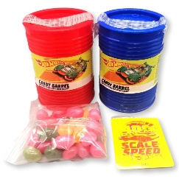 | Hot Wheels MoneyBox With Jelly Beans (28gr) + Magnet | N/A | N/A | 100 | 12000 | 2023-11-25 | English,French, Dutch, German,Swedish
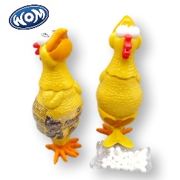 | Kip Candy 8Gr | N/A | N/A | 115 | 12075 | 2022-06-10 | English,French
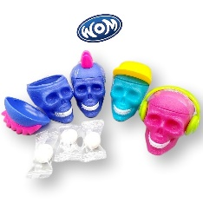 | Skully With 10,5 Gr of Gums | N/A | N/A | 177 | 10620 | 2022-08-10 | English,French
 | Biterz - Dog KC with Lollipop | N/A | N/A | 222 | 13320 | 2022-08-10 | English,French
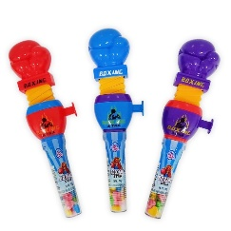 | Boxing Candy | N/A | N/A | 144 | 17280 | 2022-07-16 | English,French, Dutch, German,Swedish
 |  |  |  | Total Pcs | 143179

